lbp6 Dec2016

Municipal Government of Gloria
Statement of Debt Service
Calendar Year 2016
As of December 31, 2016
Fund/Special Account: GENERAL FUND
Creditor | Date Contracted | Term | Principal Amount | Previous Payments Made |  |  | Amount Due (by 2017) |  |  | Balance of the Principal
 |  |  |  | Principal | Interest | Total | Principal | Interest | Total

20% DEVELOPMENT FUND

Land Bank of the Phils. - Mindoro Lending Center
Heavy Equipment Acquisition | 2015-11-24 | 7 years | ₱24,971,956.75 | ₱1,920,920.00 | ₱1,735,879.92 | ₱3,656,799.92 | ₱3,841,840.00 | ₱1,512,447.98 | ₱5,354,287.98 | ₱23,051,036.75

Land Bank of the Phils. - Mindoro Lending Center
Market Construction | 06/30/2006 | 10 years | 20,000,000.00 | 20,000,000.00 | 9,315,810.87 | 29,315,810.87 | - | - | - | -

LOGOFIND (W B)
School Building Construction | 2002-03-14 | 15 years | 5,382,510.70 | 4,976,764.64 | 6,067,704.80 | 11,044,469.44 | 405,746.09 | 24,344.78 | 430,090.87 | 405,746.06

T O T A L |  |  | ₱50,354,467.45 | ₱26,897,684.64 | ₱17,119,395.59 | ₱44,017,080.23 | ₱4,247,586.09 | ₱1,536,792.76 | ₱5,784,378.85 | ₱23,456,782.81

 |  | Certified Correct: |  |  |  |  | Approved by:

 |  | RODERICK B. LOGDAT |  |  |  |  | GERMAN D. RODEGERIO
 |  | Municipal Accountant |  |  |  |  | Municipal Mayor

lbp6 Jun2016
Statement of Debt Service
Calendar Year 2016
Municipal Government of Gloria
Province of Oriental Mindoro
 |  |  |  | As of June 30, 2016 |  |  |  |  |  | FDP Form 2 - Statement of Debt Service
Fund/Special Account: GENERAL FUND |  |  |  |  |  |  |  |  |  | (DBM-LBP Form No. 6)

Creditor | Date Contracted | Term | Principal Amount | Previous Payments Made |  |  | Amount Due (by 2016) |  |  | Balance of the Principal
 |  |  |  | Principal | Interest | Total | Principal | Interest | Total

20% DEVELOPMENT FUND

Land Bank of the Phils. - Mindoro Lending Center | 2015-11-24 | 7 years w/ 6 months grace period | 24,971,956.75 | - | 871,623.92 | 871,623.92 | 1,920,920.00 | 864,256.00 | 2,785,176.00 | 24,971,956.75

Land Bank of the Phils. - Mindoro Lending Center | 06/30/2006 | 10 years | 20,000,000.00 | 18,884,260.87 | 9,283,129.03 | 28,167,389.90 | 1,115,739.13 | 37,140.35 | 1,152,879.48 | 1,115,739.13

LOGOFIND (W B) | 2002-03-14 | 15 years | 5,382,510.70 | 4,593,985.31 | 6,020,393.29 | 10,614,378.60 | 382,779.33 | 47,311.51 | 430,090.84 | 788,525.39

T O T A L |  |  | Php50,354,467.45 | 23,478,246.18 | 16,175,146.24 | 39,653,392.42 | 3,419,438.46 | 948,707.86 | 4,368,146.32 | Php26,876,221.27
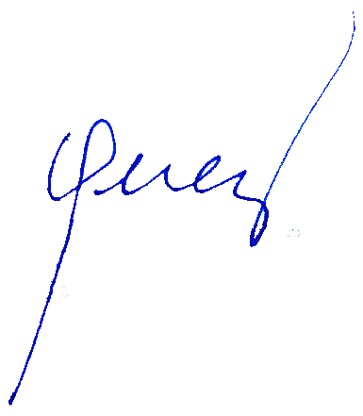

 |  | Certified Correct: |  |  |  |  | Approved by:

 |  | RODERICK B. LOGDAT |  |  |  |  | LORETO S. PEREZ
 |  | Municipal Accountant |  |  |  |  | Municipal Mayor

