lbp6 Dec2015

Statement of Debt Service
Calendar Year 2015
Municipal Government of Gloria
Province of Oriental Mindoro
 |  |  |  | As of December 31, 2015 |  |  |  |  |  | FDP Form 2 - Statement of Debt Service
Fund/Special Account: GENERAL FUND |  |  |  |  |  |  |  |  |  | (DBM-LBP Form No. 6)

Creditor | Date Contracted | Term | Principal Amount | Previous Payments Made |  |  | Amount Due (by 2015) |  |  | Balance of the Principal
 |  |  |  | Principal | Interest | Total | Principal | Interest | Total

20% DEVELOPMENT FUND

Land Bank of the Phils. - Mindoro Lending Center | 2015-11-24 | 7 years w/ 6 months grace period | Php24,971,956.75 | - | - | - | 1,920,920.00 | 1,741,879.92 | 3,662,799.92 | Php24,971,956.75

Land Bank of the Phils. - Mindoro Lending Center | 06/30/2006 | 10 years | Php20,000,000.00 | 17,768,521.59 | 9,203,773.99 | 26,972,295.58 | 2,231,478.41 | 126,414.77 | 2,357,893.18 | Php2,231,478.41

LOGOFIND (W B) | 2002-03-14 | 15 years | Php5,382,510.70 | 4,232,872.71 | 5,951,415.02 | 10,184,287.73 | 743,891.93 | 116,289.78 | 860,181.71 | Php1,149,637.99

T O T A L |  |  | Php50,354,467.45 | 22,001,394.30 | 15,155,189.01 | 37,156,583.31 | 4,896,290.34 | 1,984,584.47 | 6,880,874.81 | Php28,353,073.15
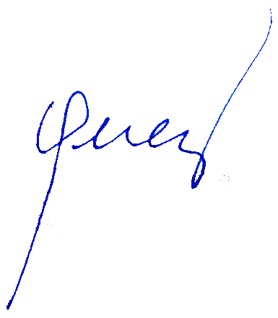

 |  | Certified Correct: |  |  |  |  | Approved by:

 |  | RODERICK B. LOGDAT |  |  |  |  | LORETO S. PEREZ
 |  | Municipal Accountant |  |  |  |  | Municipal Mayor

