lbp6 CY2014

Statement of Debt Service
Calendar Year 2014
Municipal Government of Gloria
Province of Oriental Mindoro
 |  |  |  |  |  |  |  |  |  | FDP Form 2 - Statement of Debt Service
Fund/Special Account: GENERAL FUND |  |  |  |  |  |  |  |  |  | (DBM-LBP Form No. 6)

Creditor | Date Contracted | Term | Principal Amount | Previous Payments Made |  |  | Amount Due (BY 2014) |  |  | Balance of the Principal
 |  |  |  | Principal | Interest | Total | Principal | Interest | Total

20% DEVELOPMENT FUND

LOGOFIND (W B) | 2002-03-14 | 15 years | Php5,382,510.70 | 3,570,811.53 | 5,753,294.48 | 9,324,106.01 | 589,232.13 | 270,949.67 | 860,181.80 | Php1,811,699.17

Land Bank of the Phils. - | 06/30/2006 | 10 years | Php20,000,000.00 | 15,537,043.03 | 8,913,742.93 | 24,450,785.96 | 2,231,478.56 | 1,149,031.32 | 3,380,509.88 | Php4,462,956.97
Mindoro Lending Center

T O T A L |  |  | Php25,382,510.70 | 19,107,854.56 | 14,667,037.41 | 33,774,891.97 | 2,820,710.69 | 1,419,980.99 | 4,240,691.68 | Php6,274,656.14
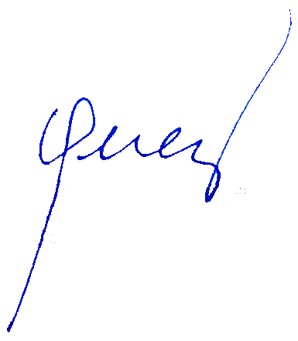

 |  | Certified Correct: |  |  |  |  | Approved by:

 |  | RODERICK B. LOGDAT |  |  |  |  | LORETO S. PEREZ
 |  | Municipal Accountant |  |  |  |  | Municipal Mayor

